Problem Statement
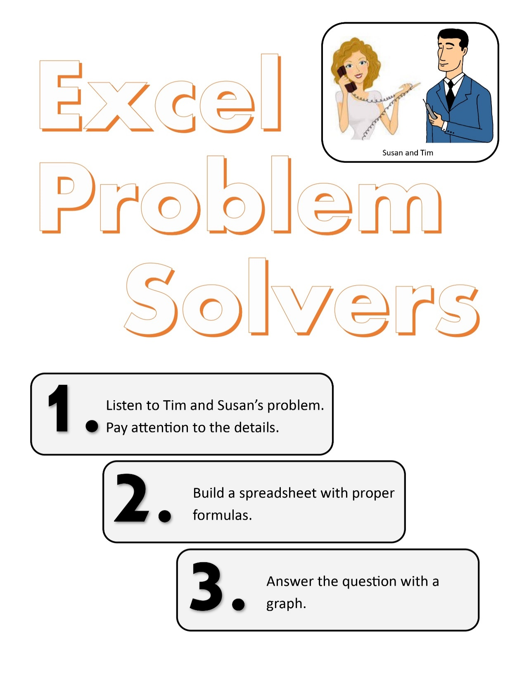
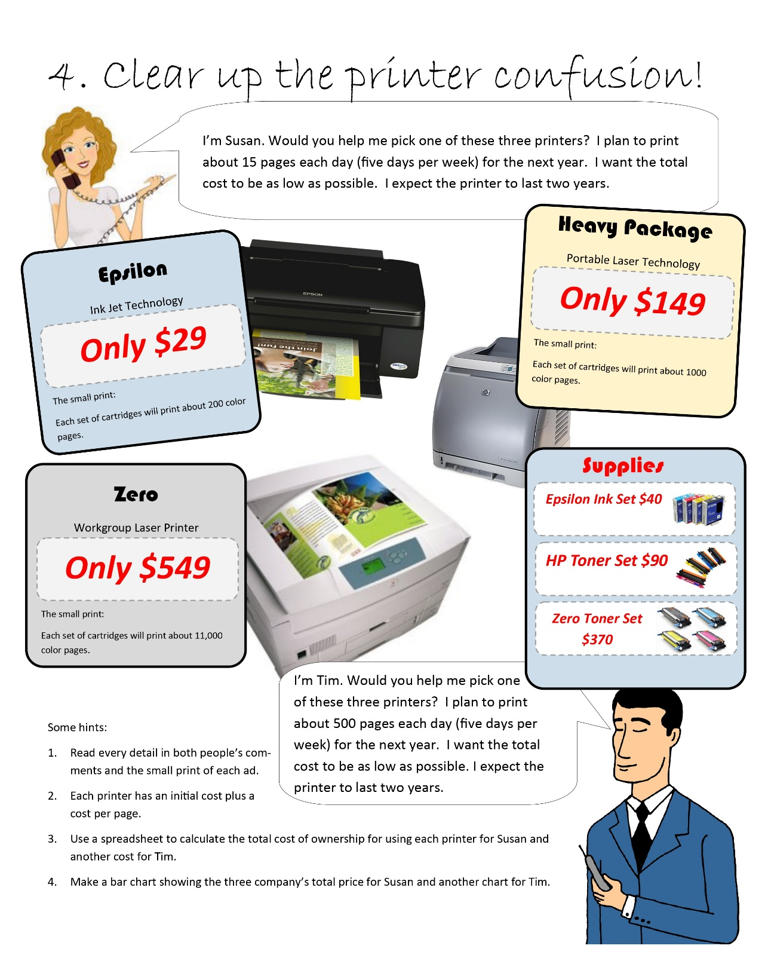

Printer Confusion
Susan | Epsilon | HV | Zero | Tim | Epsilon | HV | Zero
Purchase Price | $29.00 | $149.00 | $549.00 | Purchase Price | $29.00 | $149.00 | $549.00

Cost of Set of Cartridges | $40.00 | $90.00 | $370.00 | Cost of Set of Cartridges | $40.00 | $90.00 | $370.00
Pages cartridge can print | 200.00 | 1,000.00 | 11,000.00 | Pages cartridge can print | 200.00 | 1,000.00 | 11,000.00
Cost Per page | $0.20 | $0.09 | $0.03 | Cost Per page | $0.20 | $0.09 | $0.03

Net Work Days in a Year | 260.00 | 260.00 | 260.00 | Net Work Days in a Year | 260.00 | 260.00 | 260.00
Pages per year | 3,900.00 | 3,900.00 | 3,900.00 | Pages per year | 130,000.00 | 130,000.00 | 130,000.00
Printing Costs per year | $780.00 | $351.00 | $131.18 | Printing Costs per year | $26,000.00 | $11,700.00 | $4,372.73
Years | 2 | 2 | 2 | Years | 2 | 2 | 2

Total Printing Cost | $1,560.00 | $702.00 | $262.36 | Total Printing Cost | $52,000.00 | $23,400.00 | $8,745.45
 | Epsilon | HV | Zero |  | Epsilon | HV | Zero
Total Cost | $1,589.00 | $851.00 | $811.36 | Total Cost | $52,029.00 | $23,549.00 | $9,294.45

Susan's Total Cost
Tim's Total Cost

